Sheet1
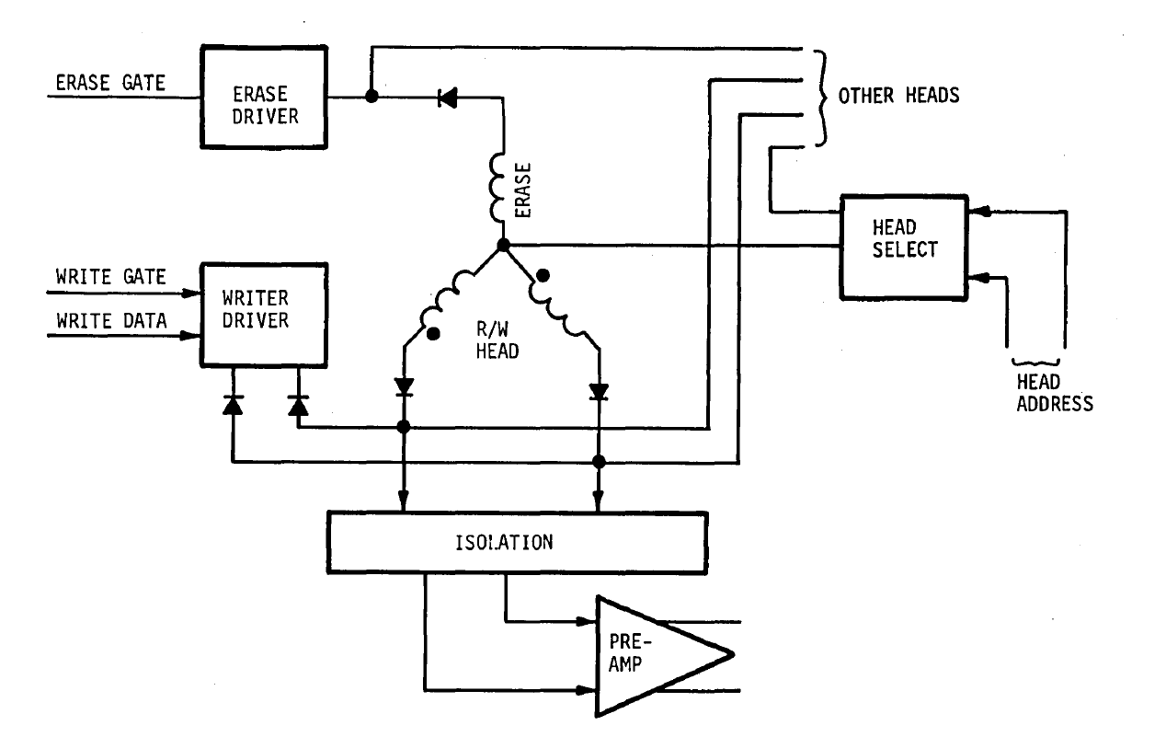
 | Pinout | Test | 0L | 0U | 1L | 1U | 2L | 2U | 3L
RWA (Read Write A) | 1 | 1 to 3 | X | 1.7 | X | 1.7 | 1.8 | 1.6 | 2.4
ER (Erase) | 2 | 2 to 3 | 1.0 | X | X | 1.0 | 1.0 | 1.0 | 15.8
CT (Center Tap) | 3 | 4 to 3 | 1.7 | X | 1.8 | 1.7 | 1.8 | 1.8 | 2.4
 | Key
RWB (Read Write B) | 4

